New Lumbee Reading Data
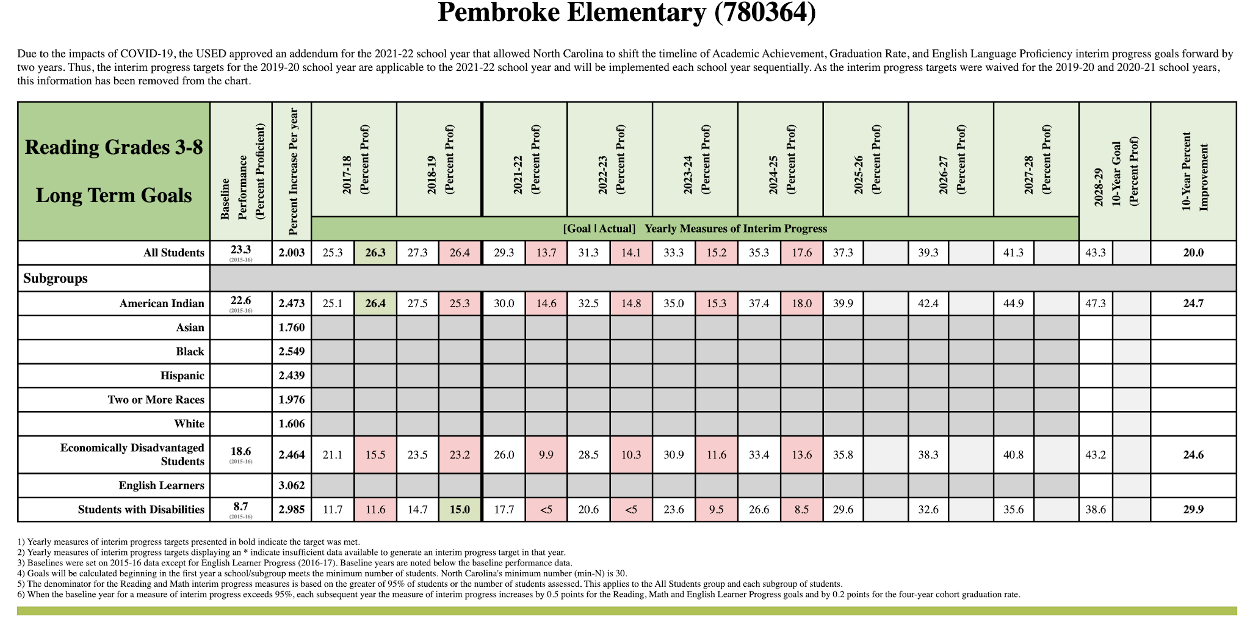
NC Early Learning Inventory – Start-of-Kindergarten Reading Assessment
Observation-based formative assessment gathered during the first 60 days of kindergarten – No numerical data

North Carolina School Report Cards
 | 2016-17 | 2017-18 | 2018-19 | 2019-20 | 2020-21 | 2021-22 | 2022-23 | 2023-24 | 2024-25
Pembroke Elementary Grade Level Proficient (Levels 3-5) | 32.7% | 37.7% | 39.8% | -- | 27.2% | 27.7% | 27.1% | 29.5% | 37.8%
Robeson County Schools Grade Level Proficient (Levels 3-5) | 36.4% | 38.2% | 36.4% | -- | 23.0% | 27.2% | 31.0% | 29.7% | 32.4%
State of North Carolina Grade Level Proficient (Levels 3-5) | 57.5% | 57.3% | 57.2% | -- | 45.6% | 48.4% | 50.2% | 50.1% | 52.5%
Pembroke Elementary Career and College Ready (Levels 4-5) | 19.6% | 26.3% | 26.4% | -- | 17.0% | 13.7% | 14.0% | 15.1% | 17.6%
Robeson County Schools Career and College Ready (Levels 4-5) | 24.4% | 26.9% | 25.0% | -- | 11.2% | 11.9% | 13.5% | 13.6% | 13.9%
State of North Carolina Career and College Ready (Levels 4-5) | 45.5% | 46.0% | 45.2% | -- | 28.9% | 29.3% | 30.9% | 30.5% | 31.5%
Pembroke Elementary Read to Achieve Met Grade 3 Benchmark | 59.7% | 72.4% | 50.0% | -- | 63.3% | 41.6% | 50.5% | 53.7% | 59.3%
Robeson County Schools Read to Achieve Met Grade 3 Benchmark | 70.6% | 70.9% | 66.9% | -- | 59.0% | 58.8% | 62.5% | 62.9% | 64.0%
State of North Carolina Read to Achieve Met Grade 3 Benchmark | 85.6% | 84.5% | 82.3% | -- | 69.0% | 74.9% | 77.4% | 80.3% | 79.4%
Pembroke Elementary Read to Achieve Did Not Meet Grade 3 Benchmark | 40.3% | 27.6% | 50.0% | -- | 36.7% | 58.4% | 49.5% | 46.3% | 40.7%
Robeson County Schools Read to Achieve Did Not Meet Grade 3 Benchmark | 29.4% | 29.1% | 33.1% | -- | 41.0% | 41.2% | 37.5% | 37.1% | 36.0%
State of North Carolina Read to Achieve Did Not Meet Grade 3 Benchmark | 14.4% | 15.5% | 17.7% | -- | 31.0% | 25.1% | 22.6% | 19.7% | 20.6%
Pembroke Elementary Test Participation Reading Grades 3-8 | -- | >95% | >95% | -- | -- | >95% | >95% | >95% | >95%
State of North Carolina Reading Test Participation Reading Grades 3-8 | -- | >95% | >95% | -- | -- | >95% | >95% | >95% | >95%
Pembroke Elementary Student Enrollment | 758 | 781 | 757 | 744 | 706 | 677 | 657 | 674 | 665
Robeson County Schools Student Enrollment | 459 | 439 | 468 | 473 | 432 | 421 | 406 | 406 | 406
State of North Carolina Student Enrollment | 490 | 483 | 477 | 470 | 433 | 439 | 445 | 446 | 452
Pembroke Elementary Students Enrolled in Preschool | -- | 31 | 31 | 32 | 31 | 30 | 31 | 32 | 31
Robeson County Schools Students Enrolled in Preschool | -- | 477 | 319 | 424 | 341 | 400 | 422 | 434 | 438
State of North Carolina Students Enrolled in Preschool | -- | 21,428 | 21,897 | 22,514 | 18,183 | 21,466 | 22,661 | 23,779 | 23,757
Kindergarten Student Enrollment |  | 134 | 113 | 141 | 121 | 114 | 100 | 115 | 97 | Data collected from the NCES Elementary/Secondary Information System (ElSi) tableGenerator
Grade 4 Student Enrollment |  | 112 | 124 | 121 | 106 | 109 | 122 | 107 | 112
AI/AN Student Enrollment |  | 670 | 643 | 665 | 637 | 592 | 572 | 580 | 559
Total Student Enrollment |  | 612 | 784 | 783 | 758 | 719 | 692 | 704 | 703

NC Dept. of Instruction – School Proficiency End-of-Grade Reading Assessments
Pembroke Elementary – EOG Reading Gr. 4 | 2020-21 | 2021-22 | 2022-23 | 2023-24 | 2024-25
Grade Level Proficient – All students | 27.7% | 34.0% | 27.5% | 34.0% | 44.1%
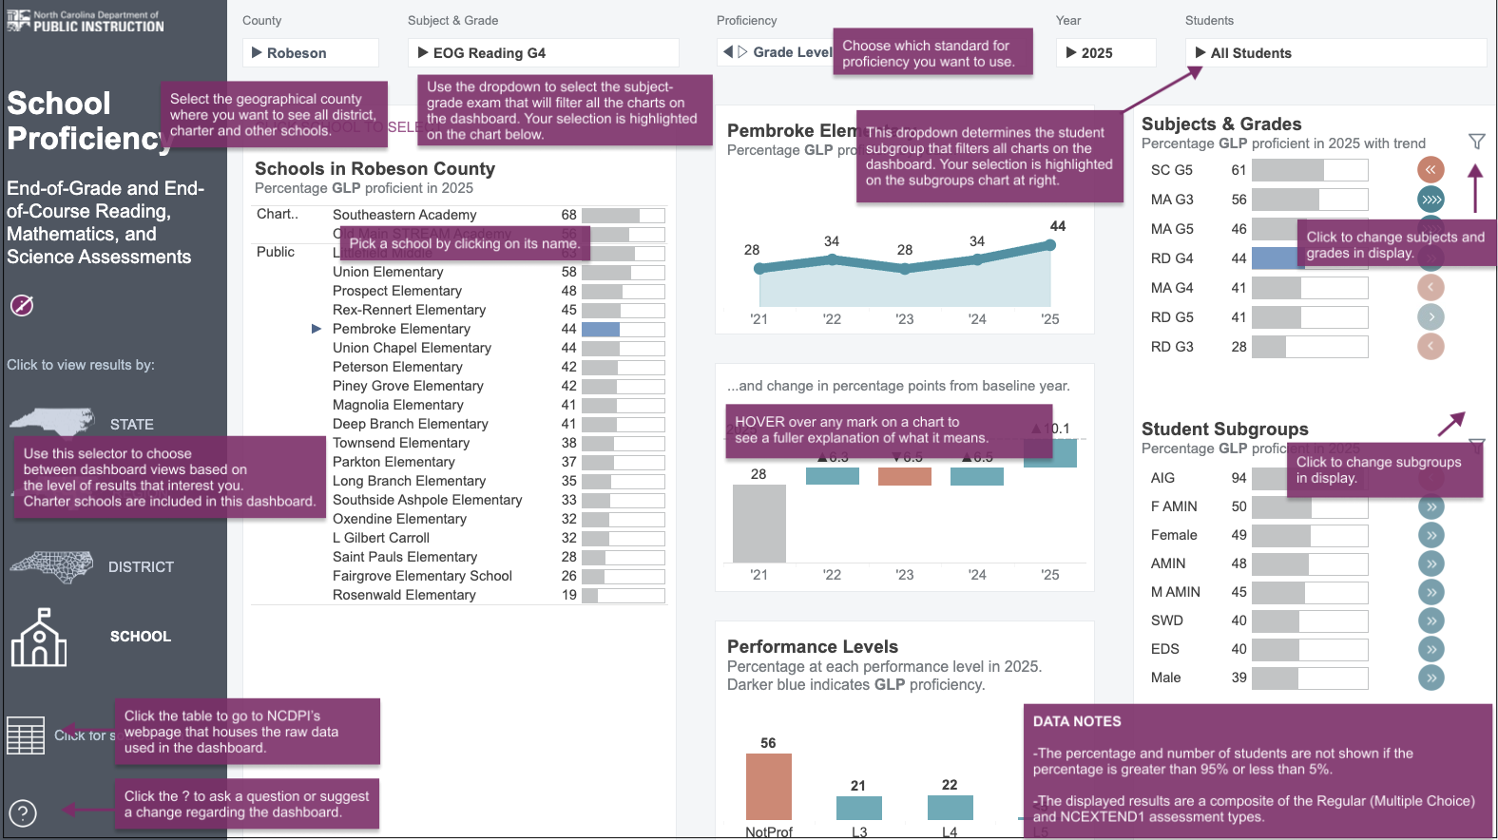
Grade Level Proficient – AI/AN students | 27.4% | 36.4% | 27.2% | 34.9% | 47.7%

NC Dept. of Instruction – School Performance Grades
ELA Reading Achievement Scores | 2021-22 | 2022-23 | 2023-24 | 2024-25
Pembroke Elementary - All students | 28.2 | 27.7 | 30 | 37.8
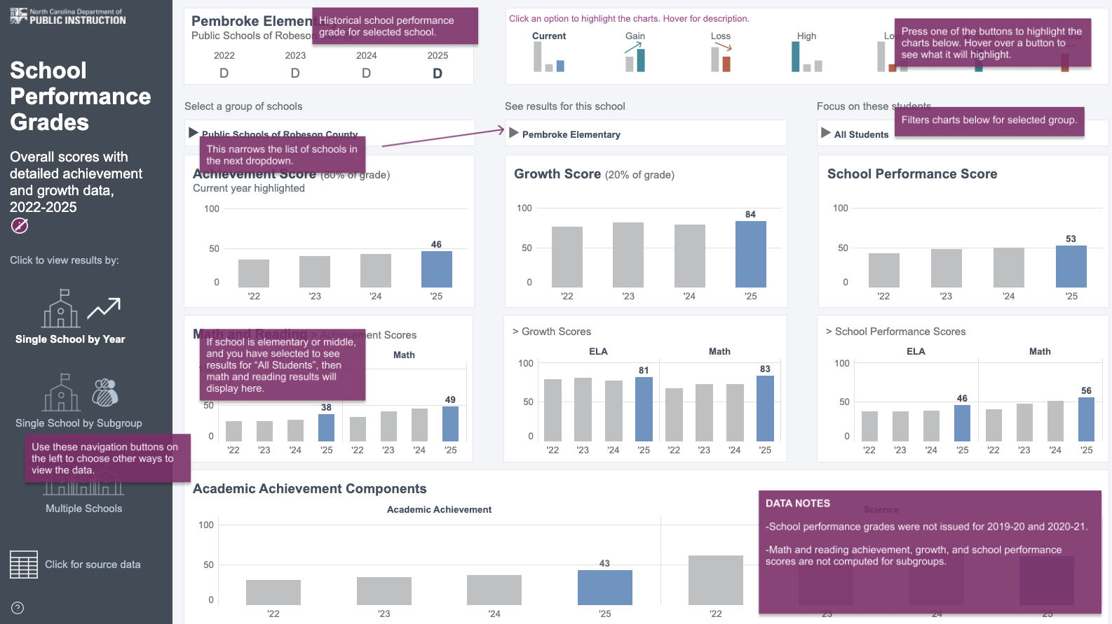

NC Dept. of Instruction – Reading Grades 3-8 Long Term Goals

